Sheet1
PAN AM JUNIOR CHAMPIONSHIPS 2019 - Moncton New Brunswick, Canada

FLIGHT DETAILS FORM for Airport Transportation

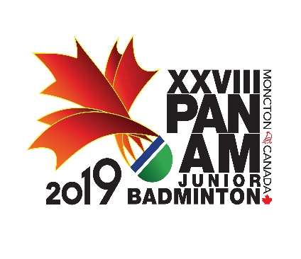
RETURN TO: events@badminton.ca

June 21th, 2019

Name of Member Association
Contact Person |  |  |  |  |  |  | GENDER
Phone Number |  |  |  |  | Mobile Number
FAX Number |  |  |  |  | E-mail
Send this format until June 27, 2017

Complete Flight Details
Group # | Last Name | First Name | Arriving from | Airline: | Flight #: | Arrival Date: | Arrival Time: | # of Parties | Returning Flight Airline: | Returning Flight #: | Returning Date: | Returning Time: | # of Parties | HOTEL

